Readme
Estimate Import Template v2.12 is officially valid from: 31 Mar 2023 to 28 July 2023
The latest version of the Estimate Import Template should be downloaded before preparing a new estimate. This is to ensure that all work items are aligned with latest TMR technical specifications.
The Estimate Import Template and guidance documents for using the template can be downloaded from the PMI Estimating SharePoint site: https://inside.tmr.qld.gov.au/corp/pmi/Estimating/Pages/resources.aspx

Information about Estimate Import Template:
The Estimate Import Template is a spreadsheet which contains the library of all MRS, MRP and 90000 series items as per the latest TMR technical specifications
The template is a data entry tool for uploading estimate schedules into the 3PCM Unifier system

Notes for using Estimate Import Template:
Do not modify rows 1 to 6 and columns A to S. Any changes to these columns or rows will result in error when importing an estimate into 3PCM Unifier
"Group Name" is not a mandatory field and can be left blank
The cost code for a line item must be entered into Column V according to standard format e.g. C.IM.6.1.1. The cost code will automatically populate into Column O with the correct import format e.g. C~~C.IM~~C.IM.6~~C.IM.6.1~~C.IM.6.1.1
Non-standard work items (90000 series) are organized into specific number ranges based on the unit of measure
Users need to refer to the 90000 series unit of measure number ranges in selecting the work item ID for the line item. Unit of measure number ranges are available in Table 2.1.8 in MRS01
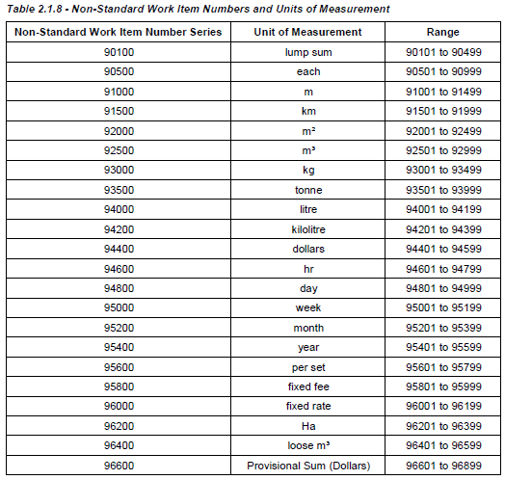

For support with the Estimate Import Template, please contact TIP Business Support: TIP_Business_Support@tmr.qld.gov.au

